Specials

 | NL TIMBER & HARDWARE
 | 4 Hope Street
 | Stilbaai Wes, 6674
 | Leroy
 | 0747693485
Summer Special | valid untill 12Jan26

Saligna Decking Imported ***Special***
22x90mm 2,1-4,2m p/m | R70.00

Shutterply (DEK BOARD 1220x2440)
18mm C+C Face | R600.00

Pine Shelfing
19mmx385mm x2,4m | R385.00

Screws & Fasteners
Purlin screws 5,5x120mm | R4.00
Coach Screws 10x60mm | R4.00
Nail-in Anchors 8x80mm | R3.00
Drywall Screws 25mm/32mm/41mm
Wire Nails 75&100mm | R34.50

Adhesive Soudal
Paintable Sealant White 260ml | R33.00
Soudaflex 260ml Fast curing | R140.00
Wood Glue 250ml | R50.00

PEX Pipe
15mm White p/m | R16.00
16mm White p/m | R19.00

Bricks & Pavers
NL TIMBER & HARDWARE
4 Hoop straat , Stilbaai 6674
Whatsapp or phone 0828021009
email : nelus@wispernet.co.za
PRICELIST |  | Dec 2025
DESCRIPTION | UNIT | INCL. | per M2
*** Bricks***** |  |  | per1000
Maxi Brick Clay Solid 220x112Hx90w NFP Red | ea | R5.10 | R5,100.00
Maxi Brick Clay Solid 220x112Hx90w NFX Red | ea | R5.54 | R5,540.00
Maxi Brick NFX 110x220x90w Clay | ea | R6.98 | R6,980.00
Maxi Brick Appollo 110x220x90w | ea | R5.88 | R5,880.00
Special** 27mpa Brick RB 22x108x73 NFX non Face | ea | R3.79 | R3,790.00
Corobrick Clay Pavers Rustic Blend 50mm(48/m2) | ea | R8.90 | R8,900.00
Cobrico clay Pavers Bronze 50mmx100mmx200mm | ea | R7.00 | R7,000.00
Brick Red NFP 222x108x73mm 3hole plaster clay | ea | R3.95 | R3,950.00
Brick Red NFP 222x108x73mm Solid core clay | ea | R4.35 | R4,350.00
Brick Blue Face NFX 222x108x73mm Solid core clay | ea | R4.70 | R4,700.00
Retaining Wall Blocks L11 Loffesteins 400x350x225H | ea | R65.00 | R65.00
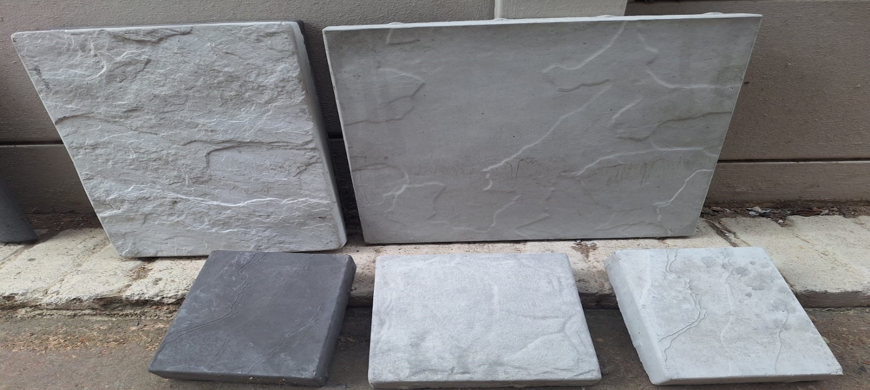

Coble Paver 400x400 6pcs per m2 |  |  | R45 ea
Coble Paver 150x150 33 pcs per m2 |  |  | R7,50ea
Coble Paver 400x265 9.5 pcs per m2 |  |  | R30 ea
Coble Paver 200x200 25 pcs per m2 |  |  | R12 ea

Paint
NL TIMBER & HARDWARE
Hoop str.4
Stilbaai
Whatsapp or phone 0828021009
email : nelus@wispernet.co.za
Rubberduck Waterproofing Price List
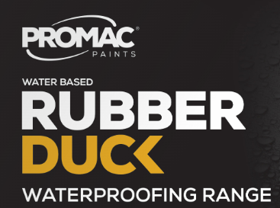
 | Part Description: | price
 | BITUMINOUS ALUMINIUM:SILVER COAT 5L | R539.00
 | BITUMINOUS ALUMINIUM:SILVER COAT 20L | R1,895.00
 | RUBBER DUCK:CEMENT SLURRY KIT 15KG | R795.00
 | CEMIX WATERPROOFING ADDITIVE 5L | R385.00
 | CEMIX WATERPROOFING ADDITIVE 20L | R1,395.00
 | DAMP GUARD:WHITE 5L | R449.00
 | DAMP GUARD:WHITE 20L | R1,395.00
 | LIQUID RUBBER:BLACK;Charcoal;Green;Grey;Red;T.Cotta 5L | R429.00
 | LIQUID RUBBER:BLACK;Charcoal;Green;Grey;Red;T.Cotta 20L | R1,379.00
 | LIQUID RUBBER:WHITE 5L | R469.00
 | LIQUID RUBBER:WHITE 20L | R1,475.00
 | NUDEK PRIMER & SEALER PU:CLEAR 5L | R879.00
 | NUDEK PRIMER & SEALER PU:CLEAR 20L | R2,995.00
**Spescial** | Rain Guard BLACK,Brown,Charcoal,Red;Green,Grey,T.Cotta 5L | R195.00
**Spescial** | RAIN GUARD:BLACK,Brown,Charcoal,Red;Green,Grey,T.Cotta 20L | R739.00
**Spescial** | RAIN GUARD:WHITE 5L | R219.00
**Spescial** | RAIN GUARD:WHITE 20L | R849.00
**Spescial** | MEMBRANE 200MM X 10M | R49.00
**Spescial** | SEAL FLEX:ROMAN BROWN;Sand;T.cotta;Red;Charcoal 5L | R249.00
**Spescial** | SEAL FLEX:ROMAN BROWN;Sand;T.cotta;Red;Charcoal 20L | R900.00
**Spescial** | SEAL FLEX:ROMAN GREEN;White 5L | R269.00
**Spescial** | SEAL FLEX:ROMAN GREEN;White 20L | R1,000.00
 | SUPER COLD RBE WB 1L | R99.00
 | SUPER COLD RBE WB 5L | R269.00
 | SUPER COLD RBE WB 20L | R829.00

Pine Treated Mouldings

 |  | NL Timber & HW Borkers
 |  | Office 0288800615
 |  | Hoop Str.4
 |  | Stilbaai
 |  | Cell: 0828021009
 |  | email : nelus@wispernet.co.za

Quarter Logs
Dimensions |  | 2.4 | 3 | 3.6
16 | 85 | R47.00 | R59.00 | R69.00
22 | 90 | R77.00 | R100.00 | R120.00
22 | 100 | R88.00 | R129.00 | R155.00
22 | 130 | R109.00 | R149.00 | R179.00

Halfr Logs
Dimensions |  | 2.4 | 3 | 3.6
33 | 100 | R125.00 | R150.00 | R180.00

Weatherboard
Dimensions |  | 2.4 | 3 | 3.6
22 | 100 | R77.00 | R110.00 | R135.00
22 | 140 | R100.00 | R145.00 | R149.00

V Joint Cladding
Dimensions |  | 2.4 | 3 | 3.6
13 | 100 | R47.00 | R59.00 | R69.00

Pine Mouldings
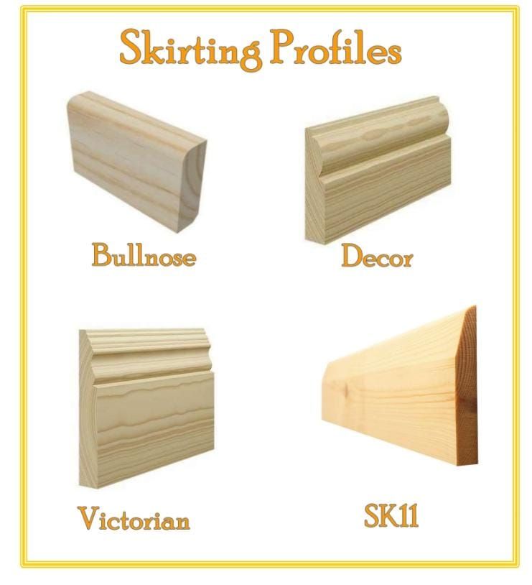

NL TIMBER & HW
Hoop Str 4, Stilbaai
phone 0828021009 |  |  | update
nelus@wispernet.co.za |  |  | 31-Dec-25
Skirting & Moulding: PRICELIST
DESCRIPTION | 2,4m | 3,0m | 3,6m
10 x 33 Pine Coverstrips | R12.40 | R37.20 | R44.64
10 x 44 Pine Coverstrips | R13.00 | R39.00 | R46.80
Skirting Bullnose/SK11 | 2,4m | 3,0m | 3,6m
SA Pine 13x65 | R40.00 | R50.00 | R60.00
SA Pine 22x069 | R48.00 | R60.00 | R72.00
SA Pine 22x100 | R69.00 | R87.00 | R103.00
SA Pine 22x140 | R120.00 | R145.00 | R175.00
13x069 Pine T&G Ceiling | R32.00 | R40.00 | R50.00
13x100 Pine T&G Ceiling | R60.00 | R75.00 | R90.00
13x069 Pine T&G Ceiling | R70.00 | R85.00 | R100.00
75mm Pine Cornice per m | R47.50 | R114.00 | R142.50
Meranti T&G Ceiling 13x65 | R69/m
Meranti T&G Flooring 19x102 | R172/m
***Special Pine Skirtings ***
Victorian/Tuscan 70mm | R65.00 | R195.00 | R100.00
Victorian/Tuscan 100mm | R80.00 | R100.00 | R120.00
Victorian/Tuscan 140mm | R120.00 | R150.00 | R195.00

Pine T&G +Cladding

NL TIMBER & HARDWARE
Hoop Str 4, Stilbaai 6674
Whatsapp or phone 0828021009
email : nelus@wispernet.co.za
PRICELIST | pg1
Nov-25
DESCRIPTION | UNIT | INCL. | 2,4m | 3,0m | 3,6m
22x100 Pine Panelling 2,4/3,0m | m | R35.00 | R84.00 | R105.00 | R126.00
22x100 Pine Panelling 2,4/3,0m CCA | m | R37.00 | R88.80 | R111.00 | R133.20
22x100 Pine Flooring 2,4-3,6m | m | R40.00 | R96.00 | R120.00 | R144.00
22x140 Pine Flooring 2,4-3,6m | m | R45.00 | R108.00 | R135.00 | R162.00
32x140 Pine Flooring 2,4-3,6m | m | R55.00 | R132.00 | R165.00 | R198.00
Shiplap/Sub flooring 22x100 | m | R38.00 | R91.20 | R114.00 | R136.80
22x100 Quarter LOGS cca h3 2,4-3,6m | m | R39.00 | R93.60 | R117.00 | R140.40
16x65 BABY Logs cca 2,4/3,0m 1st grade | m | R24.00 | R57.60 | R72.00 | R86.40
16x85mm Baby Log/Quater Log 2.4/3.0m |  | R47.00 | R112.80 | R141.00 | R169.20
32x100 Half LOGS cca h3 2,4-3,6m | m | R39.00 | R93.60 | R117.00 | R140.40
22x100 Weather board cca h3 2,4-3,6m | m | R42.00 | R100.80 | R126.00 | R151.20
22x145 Weather board cca h3 2,4-3,6m | m | R120.00 | R288.00 | R360.00 | R432.00
32 x 220 CCA Pine Fascia | m | R140.00 | R336.00 | R420.00 | R504.00
32 x 220 untr Pine Fascia | m | R120.00 | R288.00 | R360.00 | R432.00

Roof Sheeting
NL TIMBER & HARDWARE
6 Gordon Crescent, Stilbaai 6674
Whatsapp or phone 0828021009
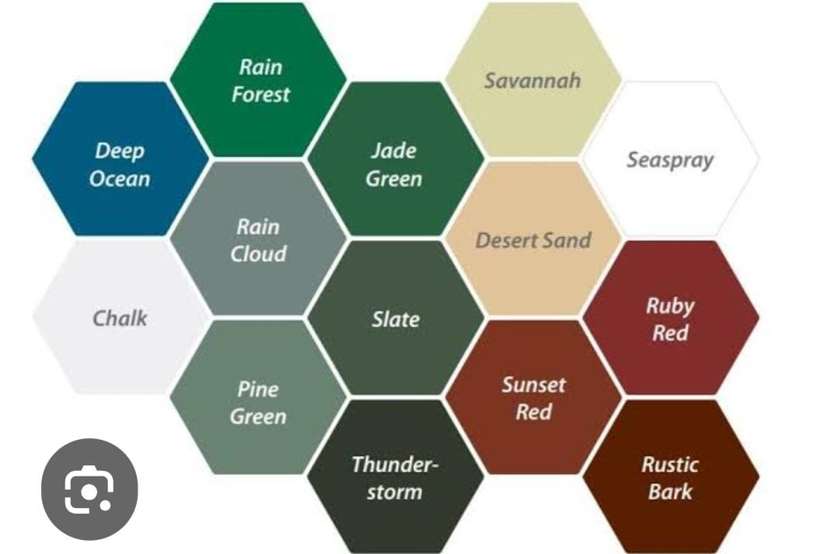
email : nelus@wispernet.co.za

PRICELIST |  | 30may24
Roofsheeting Metal | UNIT | INCL.
Corr 10,5 / IBR AZ 200 Colourplus 0,47mm | m | R179.00
Corr 10,5 / IBR AZ 150 Colourplus 0,47mm | m | R169.00
Corr 10,5 / IBR AZ 200 Colourplus 0,53mm | m | R189.00
Corr 10,5 / IBR AZ 200 Zincal 0,47mm | m | R149.00
Flashings/Hipcaps/Ridges/Valley (inverted)Apex/Barge/Headwall/Sidewall
SAFLOK 700 Colourplus AZ 200 0,47mm | m | R179.00
SAFLOK 700 Colourplus AZ 200 0,53mm | m | R209.00
SAFLOK 700 Alminium 0,8mm AZ200 Clolourplus | m | R295.00
Poly Closures/Metal Closers/ Clips/Raidenshield/Wafertex Screw Class 4
Available Colours(Thunderstorm, Sea Sray, Slate,
Roofsheeting Poly/Fibreglass/Translucent
PolyCarb SAFLOK 700 0,8mm Clear/Bronze/White | m | R389.00
PolyCarb Corr 0,8mm Clear/Bronze/White 760mm | m | R190.00
PolyCarb Corr 1,0mm Clear/Bronze/White 760mm | m | R215.00
PolyCarb IBR 0,8mm Clear/Bronze/White 760mm | m | R190.00
PolyCarb IBR 1,0mm Clear/Bronze/White 760mm | m | R215.00
Fibre Glass Corr/IBR 1mm all colours 495mm | m | R165.00
Rooftiles -colours Grey/Red/Tan/Terracotta
Clay Double Roman | ea | R11.90
Clay Double Roman V-Ridge | ea | R33.90
Excluding delivery

